Doctoriales2024_figures
 | CIF-like | spaid-like (OTU) | Acc. Toxins | wmk-like

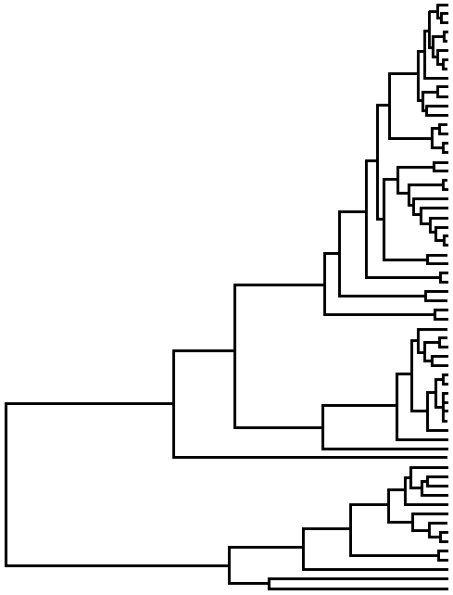
R. conorii
R. rickettsii
R. peacocki
R. vinii IarboMS4
R. fournieri
R. japonica
R. heilongjiangensis TIGMIC
R. argasii T170-B
R. gravesii BWI-1
R. massiliae MTU5
R. rhipicephali HJ5 | ?
R. raoultii
R. amblyommatis
R. buchnerii
R. monacensis IrR/Munich
Cd. R. colombianensis Adcor2
R.tamurae AT-1
R. akari
R. australis
R. hoogstraalii CS
R. hoogstraalii RCCE3
R. sp. Earac4
R. sp. RiTSETSE
R. lusitaniae R-Oe
R. asembonensis
R. felis URRWXCat2
R. felis LSU-Lb
R. prowazekii
R. typhii
R. helvetica
R. asiatica
R. canadensis
R.E. of Ixodes persulcatus
R.E. of Adalia bipunctata
R. sp. ROfont3
R. sp. Blapp1 |  |  | ?
R. sp. Choog2 |  |  | ?
R. sp. Drufa1 |  |  | ?
R. sp. MEAM1
R. sp Gdoso1 |  |  | ?
R. sp. Btrans1
R. sp. Sanch3 |  |  | ?
R. bellii RML An04
R. bellii RML Mogi
R. bellii RML 369C
R. bellii OSU85389
R. sp. rNten
R. sp. Dallo3
R. sp. Ppec13
R. sp. Oopac6
R. sp. Gbili3
R. sp. RiCimp
R. sp. nzgw532
R. sp. Oegibbosus-W744x776
R. sp. Psono2
R. sp. Lappe4
R. sp. RiCNE
R. sp. Ssp2
R. sp. Ssp4
R. sp. Lappe3
R. sp. Pante1
R. sp. RiClec |  |  | ?
R. sp. Moomin
R. sp. Holo2-sym-1

R. conorii
R. rickettsii
R. peacocki
R. vinii IarboMS4
R. fournieri
R. japonica
R. heilongjiangensis TIGMIC
R. argasii T170-B
R. gravesii BWI-1
R. massiliae MTU5
R. rhipicephali HJ5
R. raoultii
R. amblyommatis

R. buchnerii
R. monacensis IrR/Munich
Cd. R. colombianensis Adcor2
R.tamurae AT-1

R. akari
R. australis
R. hoogstraalii CS
R. hoogstraalii RCCE3
R. sp. Earac4
R. sp. RiTSETSE
R. lusitaniae R-Oe
R. asembonensis
R. felis URRWXCat2
R. felis LSU-Lb

R. prowazekii
R. typhii

R. helvetica
R. asiatica

R. canadensis
R.E. of Ixodes persulcatus

R.E. of Adalia bipunctata
R. sp. ROfont3

R. sp. Blapp1
R. sp. Choog2
R. sp. Drufa1
R. sp. MEAM1
R. sp Gdoso1
R. sp. Btrans1
R. sp. Sanch3
R. bellii RML An04
R. bellii RML Mogi
R. bellii RML 369C
R. bellii OSU85389
R. sp. rNten
R. sp. Dallo3

R. sp. Ppec13

R. sp. Oopac6

R. sp. Gbili3
R. sp. RiCimp
R. sp. nzgw532
R. sp. Oegibbosus-W744x776
R. sp. Psono2
R. sp. Lappe4
R. sp. RiCNE
R. sp. Ssp2
R. sp. Ssp4
R. sp. Lappe3
R. sp. Pante1
R. sp. RiClec
R. sp. Moomin
R. sp. Holo2-sym-1

